Sheet1
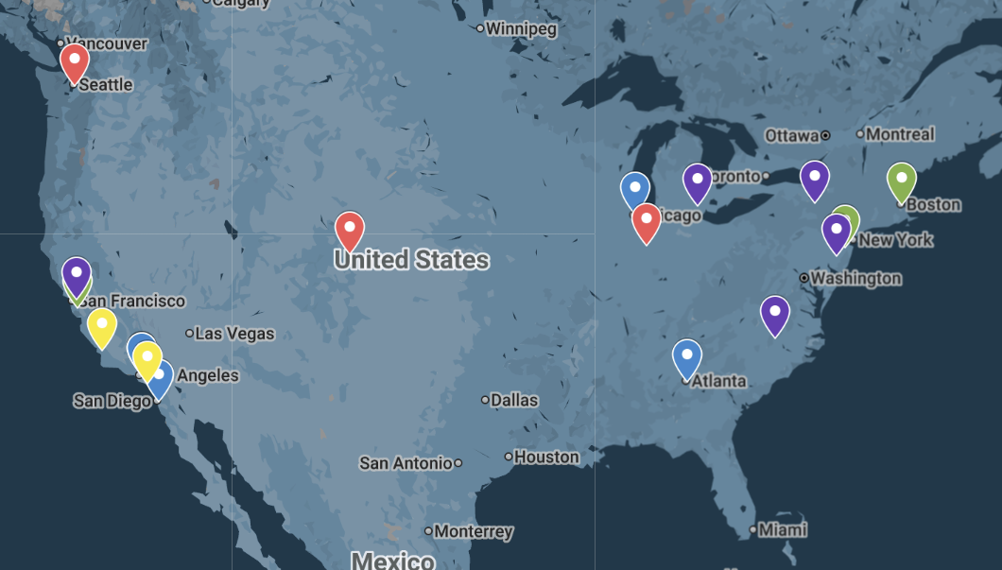
Name | Location | Applying | Level | Application Type | Priority | Major 1 | Major 2/Minor | Rate | Student # | Tuition | S:F Ratio | Avg SAT | Notes

Stanford | Stanford, CA | Applying | Reach | REA | ⭐⭐⭐⭐⭐ | Aerospace | Applied Math | 4% | 7,904 | 96,513 | 6:1 | 1,550
MIT | Cambridge, MA | Applying | Reach | RD | ⭐⭐⭐⭐⭐ | Aerospace | Applied Math | 5% | 4,580 | 89,430 | 3:1 | 1,550
Princeton | Princeton, NJ | Applying | Reach | RD | ⭐⭐⭐⭐⭐ | Robotics | Applied Math | 5% | 5,813 | 91,680 | 5:1 | 1,530
UCLA | Los Angeles, CA | Applying | Reach | RD | ⭐⭐⭐⭐⭐ | Mech/Aero | Applied Math | 9% | 33,479 | 36,682 | 20:1 | 1,460
Duke | Durham, NC | Applying | Reach | RD | ⭐⭐⭐⭐ | Mechanical | ECE | 6% | 6,523 | 96,434 | 5:1 | 1,550
Berkeley | Berkley, CA | Applying | Reach | RD | ⭐⭐⭐⭐ | Mech/Aero | Business | 11% | 33,469 | 52,147 | 18:1 | 1,420 | MET program
Cornell | Ithaca, NY | Applying | Reach | RD | ⭐⭐⭐⭐ | Mechanical | Economics | 8% | 16,128 | 96,268 | 9:1 | 1,520
UPenn | Philidelphia, PA | Applying | Reach | RD | ⭐⭐⭐⭐ | Mechanical | Economics | 5% | 10,013 | 95,612 | 8:1 | 1,550 | M&T program
Michigan | Ann Arbor, MI | Applying | Target | EA | ⭐⭐⭐⭐ | Aerospace | Economics | 18% | 34,454 | 86,405 | 15:1 | 1,470 | Dual Ross
USC | Los Angeles, CA | Applying | Target | EA | ⭐⭐⭐ | Mechanical | Economics | 10% | 20,630 | 99,139 | 8:1 | 1,490 | Scholarship
UIUC | Chicago, IL | Applying | Target | EA | ⭐⭐⭐ | Aerospace | Data Sci | 42% | 37,140 | 54,680 | 20:1 | 1,430
UCSD | San Diego, CA | Applying | Target | RD | ⭐⭐⭐ | Aerospace | Economics | 27% | 34,755 | 44,811 | 19:1 | 1,360
Georgia Tech | Atlanta, GA | Maybe | Target | EA | ⭐⭐⭐ | Aerospace | Data Sci | 14% | 20,592 | 53,238 | 21:1 | 1,450
Cal Poly SLO | SLO, CA | Applying | Safety | RD | ⭐⭐ | Aerospace | Mech | 31% | 21,947 | 37,596 | 18:1 | 1,320
UCI | Irvine, CA | Applying | Safety | RD | ⭐⭐ | Aerospace | Data Sci | 29% | 30,204 | 39,780 | 19:1 | 1,310
U Washington | Seattle, WA | Applying | Safety | EA | ⭐ | Aerospace | Data Sci | 39% | 40,754 | 66,972 | 20:1 | 1,420
Purdue | West Laffayte, IN | Applying | Safety | RD | ⭐ | Aerospace | Flight | 50% | 44,170 | 45,944 | 15:1 | 1,350
CU Boulder | Boulder, CO | Applying | Safety | EA | ⭐ | Aerospace | Data Sci | 81% | 32,100 | 66,368 | 19:1 | 1,270

